TABLE 1
TABLE 1: CORRELATION BETWEEN GDT_TS AND AVERAGE SCORES OF QMEANDisCo, PROSA, MOLPROBITY, PROCHECK, DOPESCORE

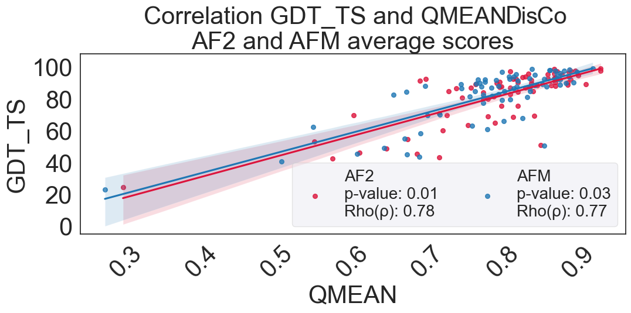
AVERAGE GDT_TS vs QMEANDisCo

METHOD | Pearson |  | Spearman |  | KendalTau |  | RobustScaler
 | Correlation | P-Value | Correlation | P-Value | Correlation | P-Value | Correlation | P-Value
AF2 | 0.78 | 5.27E-16 | 0.73 | 3.09E-13 | 0.56 | 6.17E-12 | 0.78 | 7.54E-03
AFM | 0.77 | 1.68E-15 | 0.7 | 1.04E-11 | 0.52 | 1.39E-10 | 0.77 | 2.58E-02
OP1 | 0.77 | 3.32E-15 | 0.68 | 7.85E-11 | 0.5 | 6.80E-10 | 0.77 | 3.60E-02
OP2 | 0.77 | 1.70E-15 | 0.71 | 2.99E-12 | 0.54 | 3.20E-11 | 0.77 | 2.64E-02
OP3 | 0.78 | 1.03E-15 | 0.69 | 1.75E-11 | 0.5 | 1.33E-10 | 0.78 | 5.48E-03

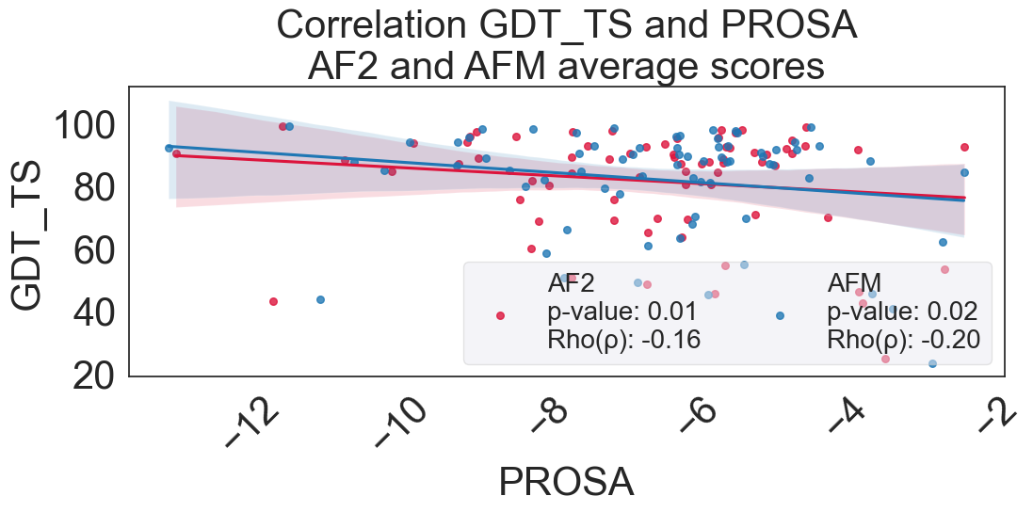
AVERAGE GDT_TS vs PROSA

METHOD | Pearson |  | Spearman |  | KendalTau |  | RobustScaler
 | Correlation | P-Value | Correlation | P-Value | Correlation | P-Value | Correlation | P-Value
AF2 | -0.16 | 1.91E-01 | -0.06 | 6.30E-01 | -0.03 | 7.08E-01 | -0.15590721525 | 0.014378504155
AFM | -0.2 | 0.093409049535 | -0.11 | 3.43E-01 | -0.08 | 3.41E-01 | -0.19921616546 | 0.016578531856
OP1 | -0.18 | 0.12903715323 | -0.11 | 0.35720079352 | -0.07 | 0.36076179912 | -0.18057362214 | 0.013353462604
OP2 | -0.24 | 0.042004814085 | -0.15 | 0.21679324828 | -0.1 | 0.22056231034 | -0.2403284543 | 0.024731939058
OP3 | -0.19 | 0.10126069296 | -0.1 | 0.38792424072 | -0.07 | 0.40857041599 | -0.1946856054 | 0.0079717728532

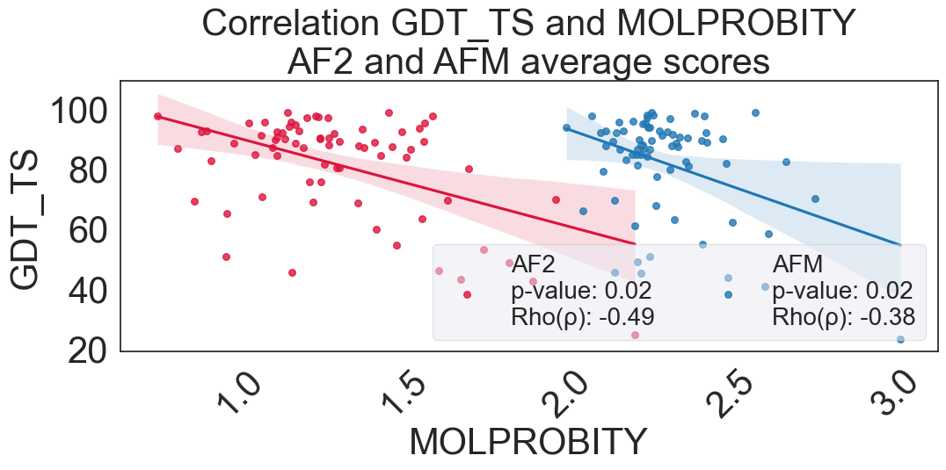
AVERAGE GDT_TS vs MOLPROBITY

METHOD | Pearson |  | Spearman |  | KendalTau |  | RobustScaler
 | Correlation | P-Value | Correlation | P-Value | Correlation | P-Value | Correlation | P-Value
AF2 | -0.49 | 1.47E-05 | -0.31 | 8.92E-03 | -0.21 | 8.42E-03 | -0.48646014836 | 0.015744903047
AFM | -0.38 | 0.0008891561368 | -0.13 | 0.26149322075 | -0.09 | 0.25327384721 | -0.3833047833 | 0.020099168975
OP1 | -0.24 | 0.041062750747 | -0.09 | 0.459422869 | -0.06 | 0.45403633935 | -0.24140910461 | 0.027169113573
OP2 | -0.56 | 3.77E-07 | -0.17 | 0.1656867305 | -0.11 | 0.17492091371 | -0.55688682746 | 0.024178365651
OP3 | -0.11 | 0.34002856486 | -0.09 | 0.44698533547 | -0.06 | 0.46583102513 | -0.11407163468 | 0.014742797784

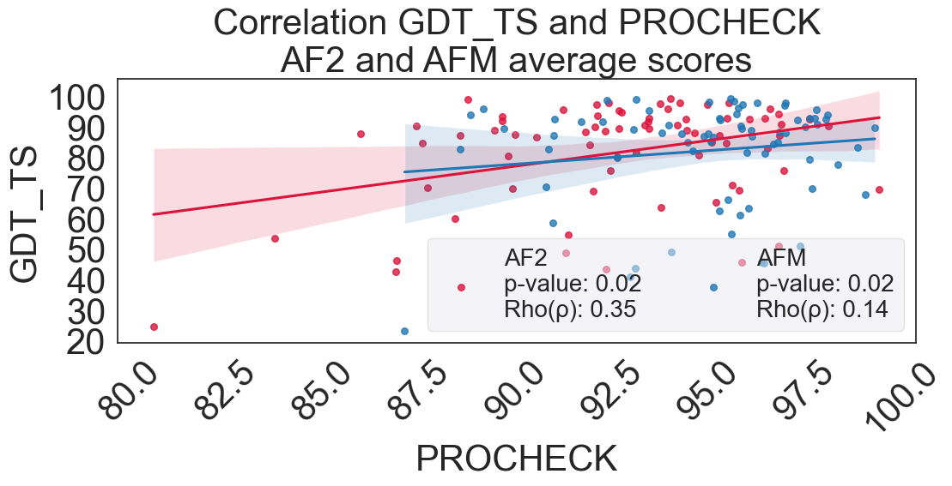
AVERAGE GDT_TS vs PROCHECK

METHOD | Pearson |  | Spearman |  | KendalTau |  | RobustScaler
 | Correlation | P-Value | Correlation | P-Value | Correlation | P-Value | Correlation | P-Value
AF2 | 0.35 | 2.27E-03 | 0.2 | 9.88E-02 | 0.13 | 9.74E-02 | 0.35422279485 | 0.022169418283
AFM | 0.14 | 0.22821367175 | 0.06 | 0.64302647376 | 0.03 | 0.68658905806 | 0.14378460668 | 0.024022409972
OP1 | 0.04 | 0.76008152599 | -0.02 | 0.85575051694 | -0.01 | 0.88404429883 | 0.036617426601 | 0.027631828255
OP2 | 0.37 | 0.0012695875078 | 0.15 | 0.22162957193 | 0.1 | 0.20449083864 | 0.37255451627 | 0.019875069252
OP3 | -0.02 | 0.89378086214 | -0.06 | 0.64465078482 | -0.03 | 0.719028271 | -0.016014954494 | 0.014709972299

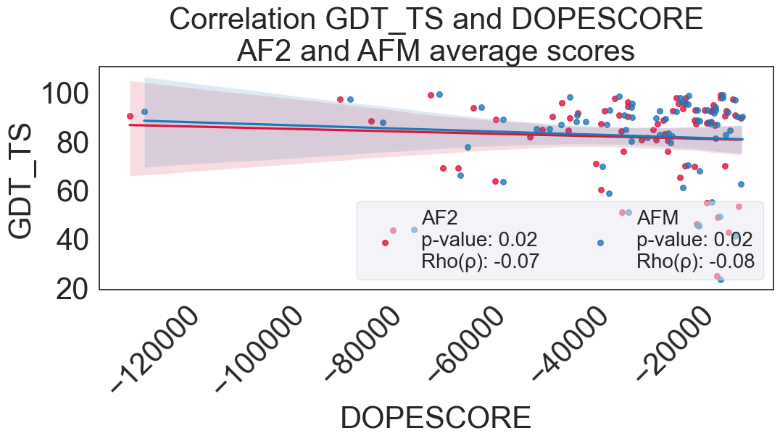
AVERAGE GDT_TS vs DOPESCORE

METHOD | Pearson |  | Spearman |  | KendalTau |  | RobustScaler
 | Correlation | P-Value | Correlation | P-Value | Correlation | P-Value | Correlation | P-Value
AF2 | -0.07 | 5.81E-01 | 0 | 9.86E-01 | 0 | 9.84E-01 | -0.066208538679 | 0.022644459834
AFM | -0.08 | 0.49107506536 | -0.04 | 0.75410675622 | -0.03 | 0.73364018327 | -0.082457042752 | 0.022593878116
OP1 | -0.09 | 0.44867330851 | -0.06 | 0.60960545528 | -0.04 | 0.60634885495 | -0.090690384249 | 0.021287617729
OP2 | -0.07 | 0.55815296027 | -0.03 | 0.80494184077 | -0.02 | 0.81549750884 | -0.07015480751 | 0.029126204986
OP3 | -0.09 | 0.46041329627 | -0.05 | 0.67226916071 | -0.03 | 0.683020586 | -0.088369952524 | 0.02627033241

TABLE 3
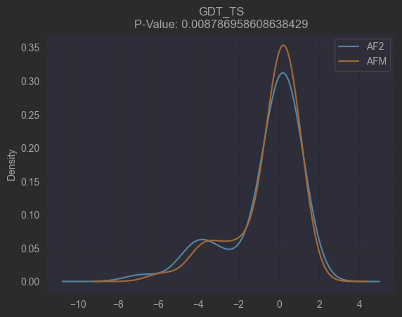
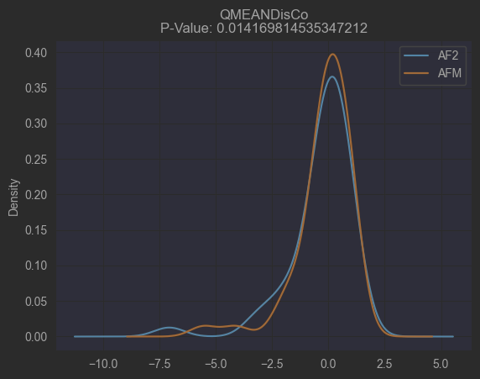
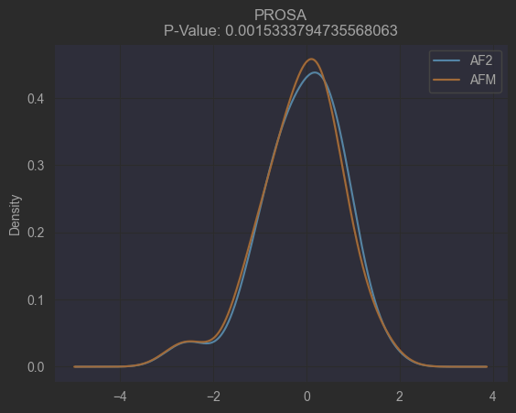
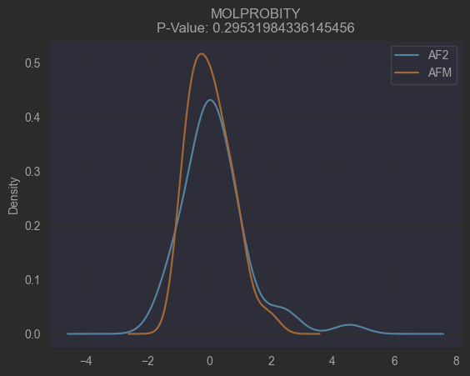
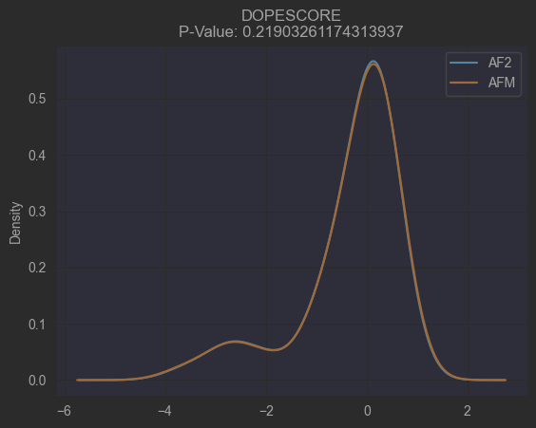
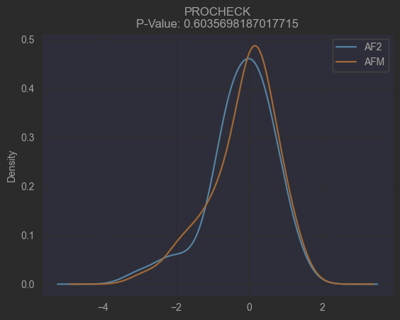
TABLE 3: WILCOXON TEST. TOP-RANKED MODELS FROM AF2 AND AFM

CONFIGURATION NORMALIZATION_METHOD: RobustScaler STATISTICAL_TEST: Wilcoxon
 | GDT_TS | QMEANDisCo | PROSA | PROCHECK | MOLPROBITY | DOPESCORE
P-Values | 0.008787 | 0.020247 | 0.000792 | 0.765088 | 0.511836 | 0.529867

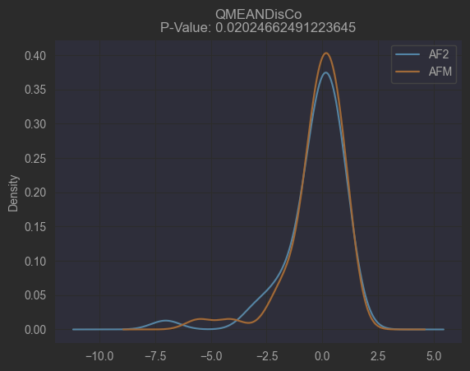
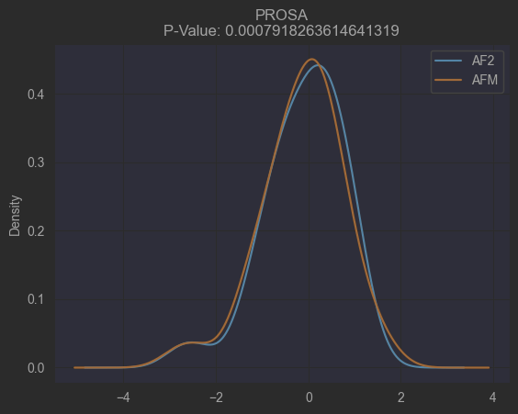

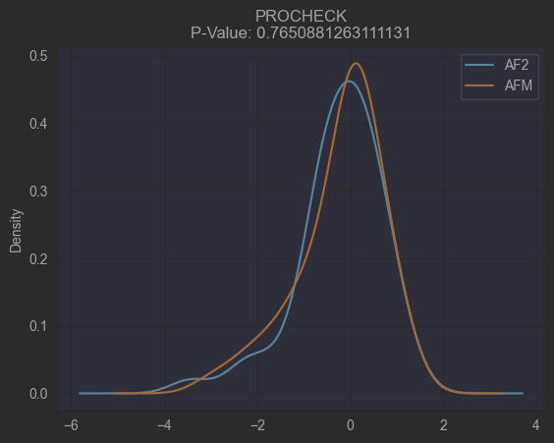
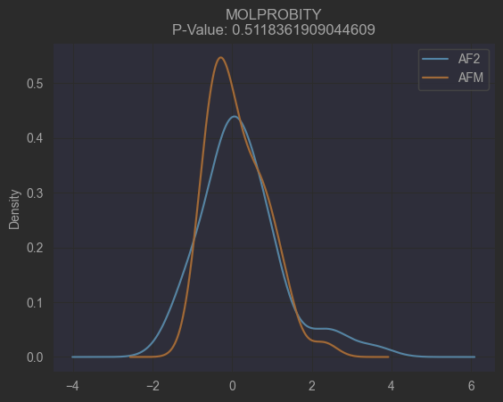


ANEXO 1: WILCOXON. MODELS AVERAGE SCORE FROM AF2 AND AFM
CONFIGURATION NORMALIZATION_METHOD: RobustScaler STATISTICAL_TEST: Wilcoxon
 | GDT_TS | QMEANDisCo | PROSA | PROCHECK | MOLPROBITY | DOPESCORE
P-Values | 0.008787 | 0.01417 | 0.001533 | 0.60357 | 0.29532 | 0.219033

TABLE 4
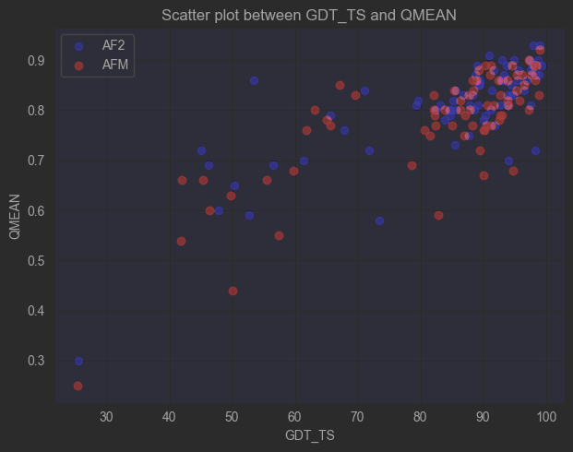
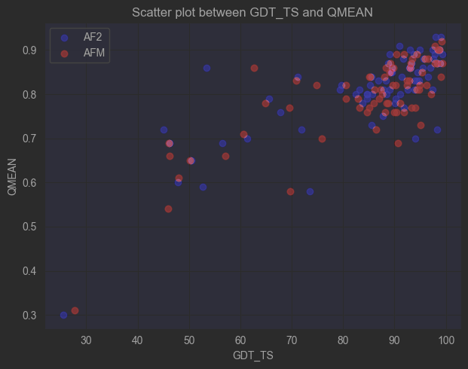
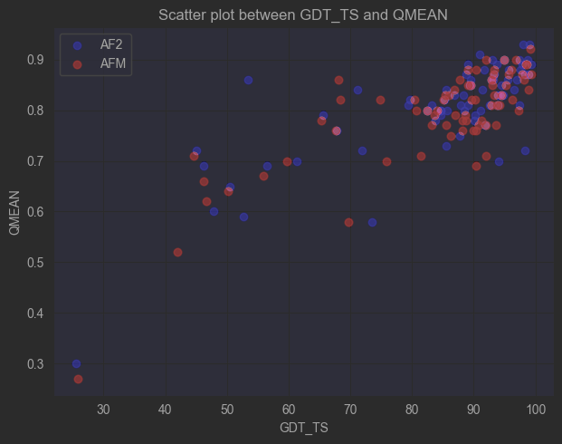
TABLE 4: STATISTICAL DIVERGENCE OF AF2 AND AFM-OP's
np.random.seed(12345)
AFM = OP1
 | Significant Values | P-Value
AF2(GDT_TS_vs_QMEANDisCo) | 361 | 0.021308
AF2(GDT_TS_vs_pLDDT) | 345 | 0
AFM(GDT_TS_vs_QMEANDisCo) | 340 | 0.019691
AFM = OP2
 | Significant Values | P-Value
AF2(GDT_TS_vs_QMEANDisCo) | 361 | 0.037632
AF2(GDT_TS_vs_pLDDT) | 343 | 0
AFM(GDT_TS_vs_QMEANDisCo) | 346 | 0.019433
AFM = OP3
 | Significant Values | P-Value
AF2(GDT_TS_vs_QMEANDisCo) | 361 | 0.022333
AF2(GDT_TS_vs_pLDDT) | 345 | 0
AFM(GDT_TS_vs_QMEANDisCo) | 343 | 0.022216

